Sheet1
Bar Code | Product | Qty | Image | Your Unit Price to Clear Line
5036905002301 | Shopkins TT - new pack | 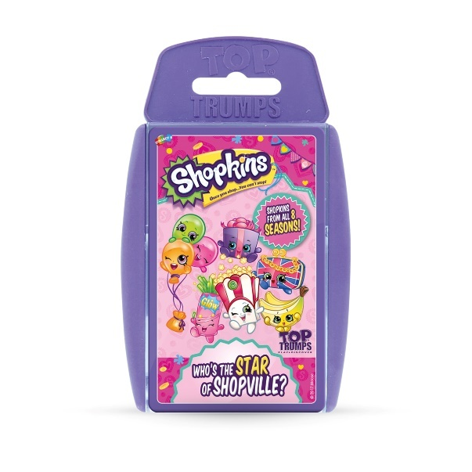 11,004 |  | £0.90
5036905024075 | Shopkins TT - original pack | 14,117 | 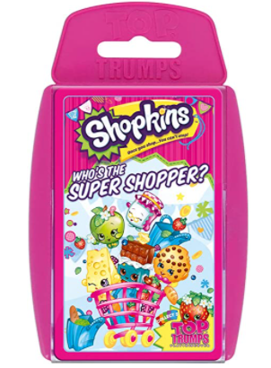 | £0.90
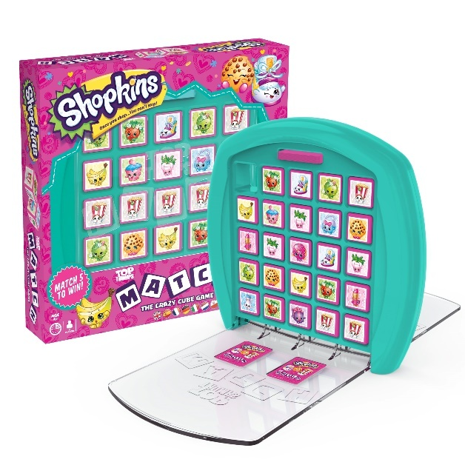
5053410002664 | Shopkins Match | 4,026 |  | near offer
5036905032131 | PJ Masks TT Junior | 21,318 |  | near offer
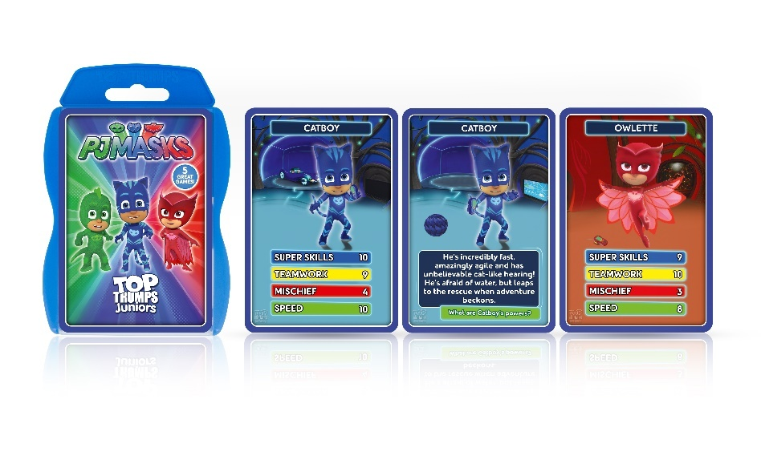
001410WM | Despicable Me 3 TT | 8,658 |  | £1.40
 |  | 59,123

